editable-sales-form
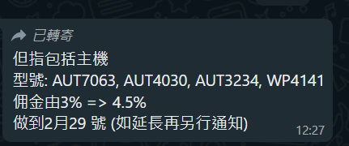
No. | Shop | Location | Promoter | month | date | Model | Product Line | Input | quantity | price | Total Price | Commission 3% | Commission 2.5% | Commission 2% | Commission 1.5% | Page | concat | Remark
62 | Tai Po | Yata | Joe | 11 | 2025-11-22 | ADD8906/97 | 微納米氣泡潔膚儀 | 8906 | 1 | 798 | 798 | 23.9 | 20.0 | 16.0 | 12.0 | 3 | Tai Po Yata
74 | Tai Po | Yata | Joe | 11 | 2025-11-23 | ADD8906/97 | 微納米氣泡潔膚儀 | 8906 | 1 | 798 | 798 | 23.9 | 20.0 | 16.0 | 12.0 | 4 | Tai Po Yata
143 | Tai Po | Yata | Joe | 11 | 2025-11-29 | ADD8906/97 | 微納米氣泡潔膚儀 | 8906 | 1 | 798 | 798 | 23.9 | 20.0 | 16.0 | 12.0 | 6 | Tai Po Yata
160 | Tai Po | Yata | Joe | 11 | 2025-11-30 | ADD8906/97 | 微納米氣泡潔膚儀 | 8906 | 3 | 798 | 2394 | 71.8 | 59.9 | 47.9 | 35.9 | 7 | Tai Po Yata
...

